Bracket with bh 10,5 L=160
Aluminium L-Brackets
back hole 10,5 x 20 mm (standard) or 14 x 20 mm

Material quality/alloy EN AW-6063 T66

Min. protrusion = X + 10 mm, max. protrusion = X + 30 mm
Profile depth = 50 mm

 | X in mm | Discription | PU in pieces | #REF!
 |  |  |  | per piece

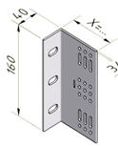
 | 40 | WB0 40/40/3-160mm | 270 | #REF!
 | 60 | WB1 40/60/3-160mm | 230 | #REF!
 | 80 | WB2 40/80/3-160mm | 170 | #REF!
 | 100 | WB3 40/100/3-160mm | 150 | #REF!
 | 120 | WB4 40/120/3-160mm | 130 | #REF!
 | 140 | WB5 40/140/3-160mm | 110 | #REF!
 | 160 | WB6 40/160/3-160mm | 90 | #REF!

 | 180 | WB7 40/180/4/3-160mm | 60 | #REF!
 | 200 | WB8 40/200/4/3-160mm | 50 | #REF!
 | 210 | WB8,5 40/210/4/3-160mm | 50 | #REF!
 | 220 | WB9 40/220/4/3-160mm | 50 | #REF!
 | 230 | WB9,5 40/230/4/3-160mm | 50 | #REF!

 | 240 | WB10 43/240/4/3-160mm | 50 | #REF!
 | 260 | WB11 43/260/4/3-160mm | 50 | #REF!
 | 280 | WB12 43/280/4/3-160mm | 50 | #REF!
 | 300 | WB13 43/300/4/3-160mm | 50 | #REF!
 | 320 | WB14 43/320/4/3-160mm | 40 | #REF!

T-brackets
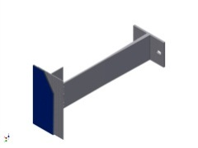
Aluminium T-brackets
back hole 10,5 x 20 mm (standard) or 14 x 20 mm

Material quality/alloy EN AW-6063 T66

Min. protrusion= X + 10 mm, max. protrusion = X + 30 mm
Profile depth = 50 mm

 | X in mm | Discription | PU in pieces | #REF!
 |  |  |  | per piece
 | 220 | WBT 9 120/220-85mm |  | #REF!
 | 240 | WBT 10 120/240-85mm |  | #REF!
 | 260 | WBT 11 120/260-85mm |  | #REF!
 | 280 | WBT 12 120/280-85mm |  | #REF!
 | 300 | WBT 13 120/300-85mm |  | #REF!
 | 320 | WBT 14 120/320-85mm |  | #REF!
 | 340 | WBT 15 120/340-85mm |  | #REF!
 | 360 | WBT 16 120/360-85mm |  | #REF!
 | 380 | WBT 17 120/380-85mm |  | #REF!

 | X in mm | Discription | PU in pieces | #REF!
 |  |  |  | per piece
 | 220 | WBT 9 120/220-160mm |  | #REF!
 | 240 | WBT 10 120/240-160mm |  | #REF!
 | 260 | WBT 11 120/260-160mm |  | #REF!
 | 280 | WBT 12 120/280-160mm |  | #REF!
 | 300 | WBT 13 120/300-160mm |  | #REF!
 | 320 | WBT 14 120/320-160mm |  | #REF!
 | 340 | WBT 15 120/340-160mm |  | #REF!
 | 360 | WBT 16 120/360-160mm |  | #REF!
 | 380 | WBT 17 120/380-160mm |  | #REF!

EH bh 10,5 LH L=70
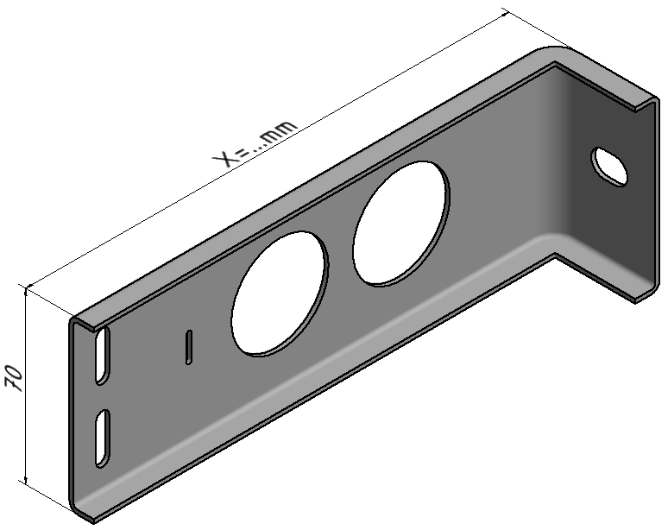
Stainless steel brackets L-bracket
back hole 10,5 x 15 mm

Steel grade 1.4162 single sided foiled

Min. protrusion= X + 10 mm, max. protrusion = X + 30 mm
Profile depth = 50 mm

 | X in mm | Discription | PU in pieces | #REF!
 |  |  |  | per piece

 | 120 | EH4 43/120/1,7-70mm |  | #REF!
 | 140 | EH5 43/140/1,7-70mm |  | #REF!
 | 160 | EH6 43/160/1,7-70mm |  | #REF!
 | 180 | EH7 43/180/1,7-70mm |  | #REF!
 | 200 | EH8 43/200/1,7-70mm |  | #REF!
 | 220 | EH9 43/220/1,7-70mm |  | #REF!
 | 240 | EH10 43/240/1,7-70mm |  | #REF!
 | 260 | EH11 43/260/1,7-70mm |  | #REF!
 | 280 | EH12 43/280/1,7-70mm |  | #REF!
 | 300 | EH13 43/300/1,7-70mm |  | #REF!
 | 320 | EH14 43/320/1,7-70mm |  | #REF!
 | 340 | EH15 43/340/1,7-70mm |  | #REF!
 | 360 | EH16 43/360/1,7-70mm |  | #REF!
 | 380 | EH17 43/380/1,7-70mm |  | #REF!
 | 400 | EH18 43/400/1,7-70mm |  | #REF!

 |  | washer 40/30 d=2mm |  | #REF!
 |  | roundhole 10,5mm
 |  | steel grade 1.4404 | (sorry no discount)

 |  | From EH15 to EH18 NOT ON STOCK!!

EH RH 10,5 NLB L=150
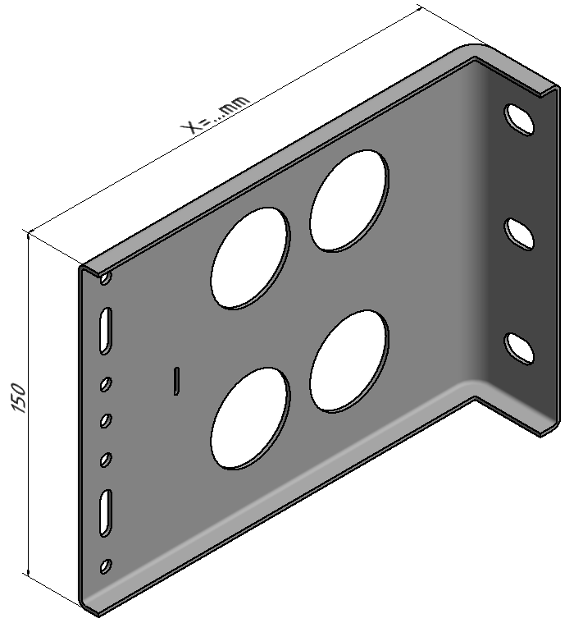
Stainless steel L-brackets
back hole 10,5 x 15 mm

Steel grade 1.4162 single sided foiled

Min. protrusion= X + 10 mm, max. protrusion = X + 30 mm
Profile depth = 50 mm

 | X in mm | Discription | PU in pieces | #REF!
 |  |  |  | per piece

 | 120 | EH4 43/120/1,7-150mm |  | #REF!
 | 140 | EH5 43/140/1,7-150mm |  | #REF!
 | 160 | EH6 43/160/1,7-150mm |  | #REF!
 | 180 | EH7 43/180/1,7-150mm |  | #REF!
 | 200 | EH8 43/200/1,7-150mm |  | #REF!
 | 220 | EH9 43/220/1,7-150mm |  | #REF!
 | 240 | EH10 43/240/1,7-150mm |  | #REF!
 | 260 | EH11 43/260/1,7-150mm |  | #REF!
 | 280 | EH12 43/280/1,7-150mm |  | #REF!
 | 300 | EH13 43/300/1,7-150mm |  | #REF!
 | 320 | EH14 43/320/1,7-150mm |  | #REF!
 | 340 | EH15 43/340/1,7-150mm |  | #REF!
 | 360 | EH16 43/360/1,7-150mm |  | #REF!
 | 380 | EH17 43/380/1,7-150mm |  | #REF!
 | 400 | EH18 43/400/1,7-150mm |  | #REF!

 |  | washer 40/30 d=2mm |  | #REF!
 |  | roundhole 10,5mm
 |  | steel grade 1.4404 | (sorry no discount)

 |  | From EH15 to EH18 NOT ON STOCK!!

EH bh RL 6,6 LH L=70
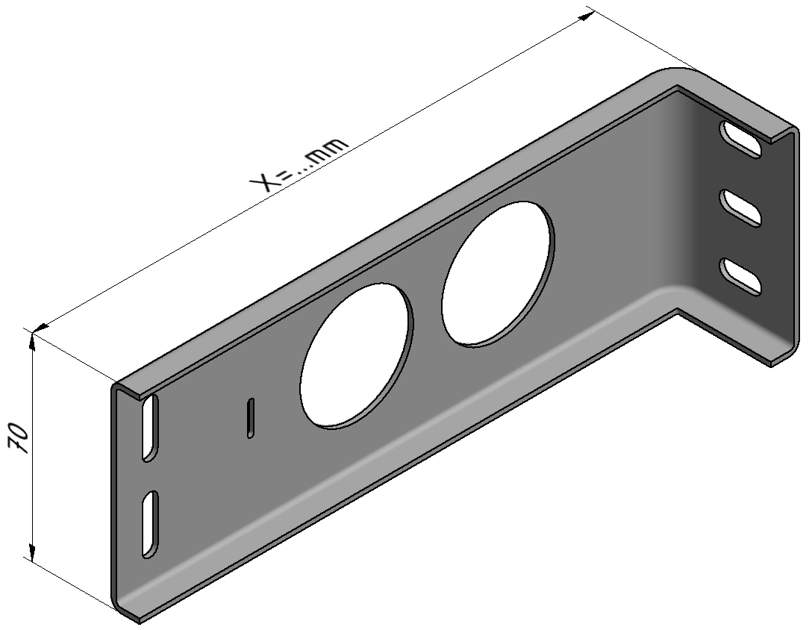
Stainless steel L-brackets
back hole 6,6 x15 mm

Steel grade 1.4162 single sided foiled

Min. protrusion = X + 10 mm, max. protrusion = X + 30 mm
Profile depth = 50 mm
 | X in mm | Discription | PU in pieces | #REF!
 |  |  |  | per piece

 | 120 | EH4 43/120/1,7-70mm |  | #REF!
 | 140 | EH5 43/140/1,7-70mm |  | #REF!
 | 160 | EH6 43/160/1,7-70mm |  | #REF!
 | 180 | EH7 43/180/1,7-70mm |  | #REF!
 | 200 | EH8 43/200/1,7-70mm |  | #REF!
 | 220 | EH9 43/220/1,7-70mm |  | #REF!
 | 240 | EH10 43/240/1,7-70mm |  | #REF!
 | 260 | EH11 43/260/1,7-70mm |  | #REF!
 | 280 | EH12 43/280/1,7-70mm |  | #REF!
 | 300 | EH13 43/300/1,7-70mm |  | #REF!
 | 320 | EH14 43/320/1,7-70mm |  | #REF!
 | 340 | EH15 43/340/1,7-70mm |  | #REF!
 | 360 | EH16 43/360/1,7-70mm |  | #REF!
 | 380 | EH17 43/380/1,7-70mm |  | #REF!
 | 400 | EH18 43/400/1,7-70mm |  | #REF!

 |  | washer 40/30 d=2mm |  | #REF!
 |  | roundhole 10,5mm
 |  | steel grade 1.4404 | (sorry no discount)

 |  | From EH15 to EH18 NOT ON STOCK!!

EH RH 6,6 NLB L=150
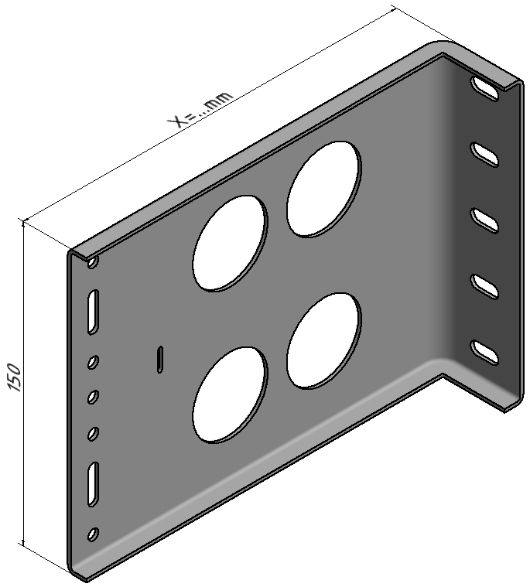
Stainless steel L-brackets
back hole 6,6x15mm

Steel grade 1.4162 single sided foiled

Min. protrusion = X + 10 mm, max. protrusion = X + 30 mm
Profile depth = 50 mm

 | X in mm | Discription | PU in pieces | #REF!
 |  |  |  | per piece

 | 120 | EH4 43/120/1,7-150mm |  | #REF!
 | 140 | EH5 43/140/1,7-150mm |  | #REF!
 | 160 | EH6 43/160/1,7-150mm |  | #REF!
 | 180 | EH7 43/180/1,7-150mm |  | #REF!
 | 200 | EH8 43/200/1,7-150mm |  | #REF!
 | 220 | EH9 43/220/1,7-150mm |  | #REF!
 | 240 | EH10 43/240/1,7-150mm |  | #REF!
 | 260 | EH11 43/260/1,7-150mm |  | #REF!
 | 280 | EH12 43/280/1,7-150mm |  | #REF!
 | 300 | EH13 43/300/1,7-150mm |  | #REF!
 | 320 | EH14 43/320/1,7-150mm |  | #REF!
 | 340 | EH15 43/340/1,7-150mm |  | #REF!
 | 360 | EH16 43/360/1,7-150mm |  | #REF!
 | 380 | EH17 43/380/1,7-150mm |  | #REF!
 | 400 | EH18 43/400/1,7-150mm |  | #REF!

 |  | washer 40/30 d=2mm |  | #REF!
 |  | roundhole 10,5mm
 |  | steel grade 1.4404 | (sorry no discount)

 |  | From EH15 to EH18 NOT ON STOCK!!

Thermal isolation 40
Thermostop thermal isolation
for L-brackets with 40/43 mm back and U-brackets with 50 mm back

 | Discription | PU in pieces | #REF!
 |  |  | per piece
 | thermal isolation 40/5-85mm | 250 | #REF!
 | thermal isolation 40/6-85mm | 250 | #REF!

 | thermal isolation 40/5-160mm | 250 | #REF!
 | thermal isolation 40/6-160mm | 250 | #REF!

 | thermal isolation 40/5-250mm | 250 | #REF!
 | thermal isolation 40/6-250mm | 250 | #REF!

 | Discription | PU in pieces | #REF!
 |  |  | per piece
 | thermal isolation "S" 40/5-85mm | 250 | #REF!

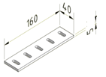
 | thermal isolation "S" 40/5-160mm | 250 | #REF!

 | Thermostop for 250mm
 | consists of 2x 85mm

